T2
Survey Field Notes: DESGN 350_Fall 2020
Project Name: Practice Travers #2 |  |  |  |  |  | Weather: 65 deg F, Wind 6mph, Visibility > 3 miles, Light Cloudy Skies ... 2:00pm

Survey Description and Notes: See sketch for traverse rod locations |  |  |  |  |  | Location: No Known Location ... This Is Just An Exercise

 |  |  |  |  |  | Equipment Description & ID:

STA | BS EL | BS ROD | HI | FS | ELEV | Notes & Sketches
T2 | 4 | 9 |  |  |  | 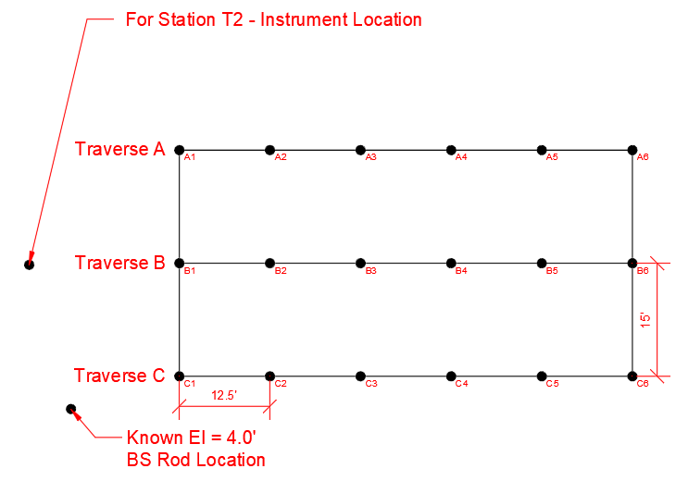 All measurements are in Feet

A1 |  |  |  | 4.00
A2 |  |  |  | 3.25
A3 |  |  |  | 3.25
A4 |  |  |  | 3.00
A5 |  |  |  | 2.50
A6 |  |  |  | 2.50

B1 |  |  |  | 4
B2 |  |  |  | 3.5
B3 |  |  |  | 3.25
B4 |  |  |  | 3.25
B5 |  |  |  | 3
B6 |  |  |  | 2

C1 |  |  |  | 3.75
C2 |  |  |  | 3.5
C3 |  |  |  | 3.25
C4 |  |  |  | 3.5
C5 |  |  |  | 3.5
C6 |  |  |  | 3
Sheet _____ of ______ |  |  | Lead Survey Technician: Print Name |  |  | Lead Survey Technician: Signature | Date:

T3
Survey Field Notes: DESGN 350_Fall 2020
Project Name: Practice Travers #3 |  |  |  |  |  | Weather: 65 deg F, Wind 6mph, Visibility > 2 miles, Light Cloudy Skies ... 2:30pm

Survey Description and Notes: See sketch for traverse rod locations |  |  |  |  |  | Location: No Known Location ... This Is Just An Exercise

 |  |  |  |  |  | Equipment Description & ID:

STA | BS EL | BS ROD | HI | FS | ELEV | Notes & Sketches
T3 | 6.00 | 6.00 |  |  |  | 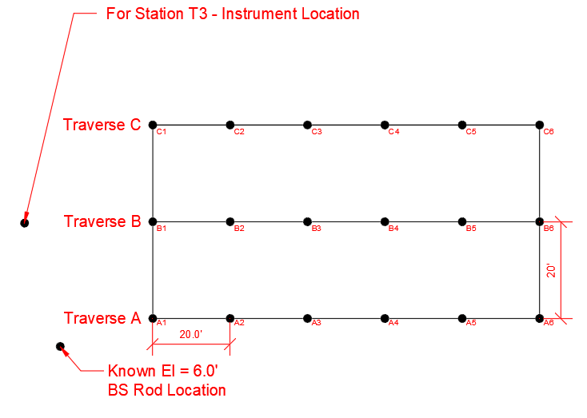 All measurements are in Feet

A1 |  |  |  | 7.75
A2 |  |  |  | 6.50
A3 |  |  |  | 4.75
A4 |  |  |  | 5.75
A5 |  |  |  | 7.00
A6 |  |  |  | 8.00

B1 |  |  |  | 9.00
B2 |  |  |  | 7.75
B3 |  |  |  | 6.00
B4 |  |  |  | 7.75
B5 |  |  |  | 8.00
B6 |  |  |  | 9.00

C1 |  |  |  | 8.00
C2 |  |  |  | 6.75
C3 |  |  |  | 5.00
C4 |  |  |  | 6.25
C5 |  |  |  | 8.00
C6 |  |  |  | 8.75
Sheet _____ of ______ |  |  | Lead Survey Technician: Print Name |  |  | Lead Survey Technician: Signature | Date:

